EPA Site Map
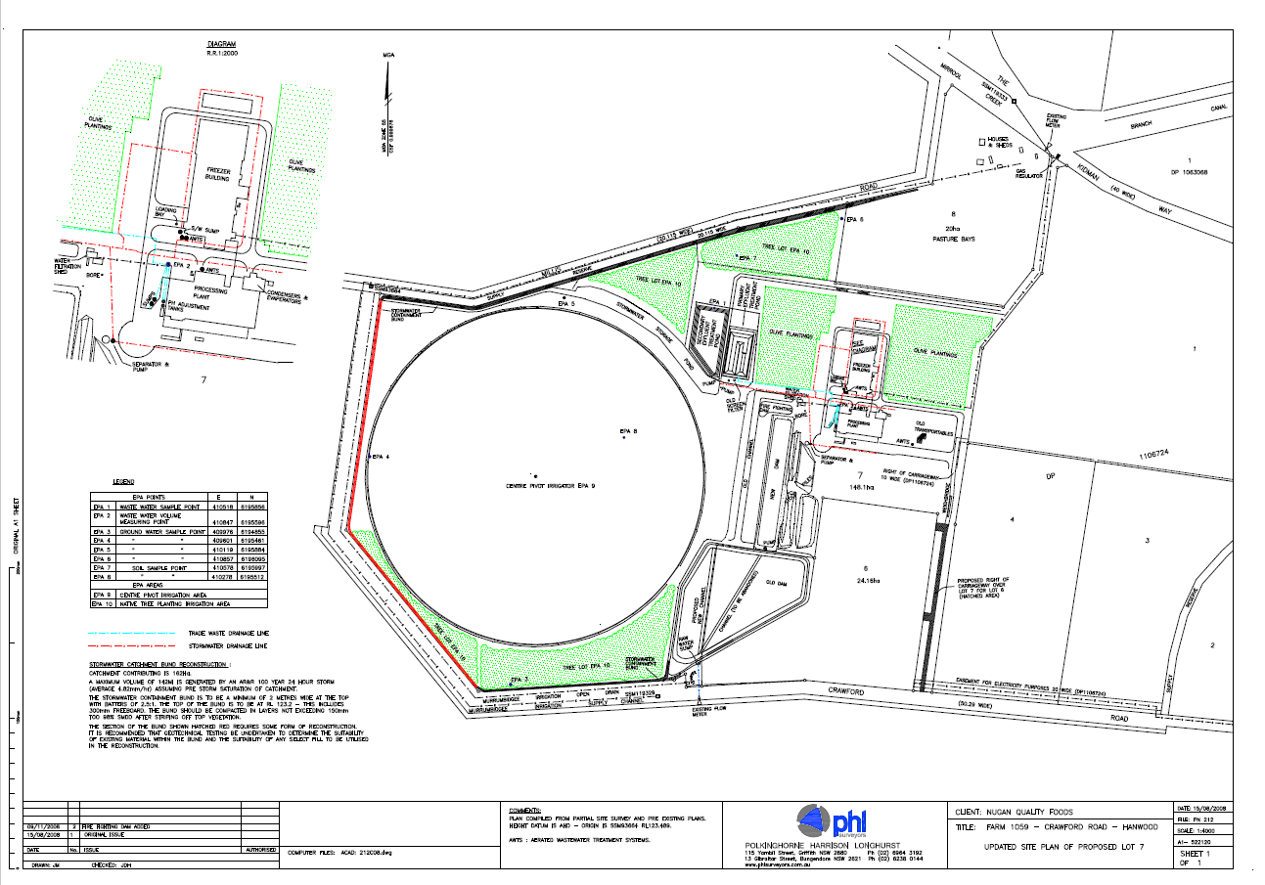
Harvey Fresh Juice Pty Ltd -EPA Site Map

